esp32 (v2)
PIN+A1:D41 |  | CONNECTION | WIRE
3V3 | output | 3.3V Output | green
3V3_EN |  | NOT USED
EXIO1 |  | Rotary Encoder - SW | pink
EXIO2 |  | TB6612 Driver 2 - BIN1 (Slider 4 +) | orange
EXIO3 |  | TB6612 Driver 2 - BIN2 (Slider 4 -) | white
EXIO4 |  | TB6612 Driver 3 - AIN1 (Slider 5 +) | orange
EXIO5 |  | TB6612 Driver 3 - AIN2 (Slider 5 -) | white
EXIO6 |  | TB6612 Driver 3 - PWMA | pink
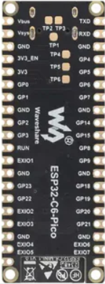
EXIO7 |  | TB6612 - Standby | yellow
GND |  | Ground | black
GND |  | Ground | black
GND |  | Ground | black
GND |  | Ground | black
GND |  | Ground | black
GND |  | Ground | black
GND |  | Ground | black
GND |  | Ground | black
GPIO0 | adc | Slider pot 1 | brown
GPIO1 | adc | Slider pot 2 | brown
GPIO14 |  | TB6612 Driver 1 - PWMA | pink
GPIO15 | strap | TB6612 Driver 1 - PWMB | pink
GPIO16 (TXD) |  | TB6612 Driver 1 - AIN1 (Slider 3 +) | orange
GPIO17 (RXD) |  | TB6612 Driver 1 - AIN2 (Slider 3 -) | white
GPIO18 |  | Rotary Encoder - CLK | yellow
GPIO19 |  | Rotary Encoder - DT | brown
GPIO2 | adc | Slider pot 3 | brown
GPIO20 |  | PCA9548A - SDA | blue
GPIO21 |  | PCA9548A - SCL | yellow
GPIO22 |  | TB6612 Driver 2 - AIN1 (Slider 1 +) | orange
GPIO23 |  | TB6612 Driver 2 - AIN2 (Slider 1 -) | white
GPIO3 | adc | Slider pot 4 | brown
GPIO4 |  | TB6612 Driver 1 - BIN1 (Slider 2 +) | orange
GPIO5 | adc | Button (Voltage Ladder)
GPIO6 | adc | Slider pot 5 | brown
GPIO7 |  | TB6612 Driver 1 - BIN2 (Slider 2 -) | white
GPIO8 | strap | TB6612 Driver 2 - PWMA | pink
GPIO9 | strap | TB6612 Driver 2 - PWMB | pink
RUN
Vbus | output | 5v USB rail
Vsys |  | System Power

TB6612FNG
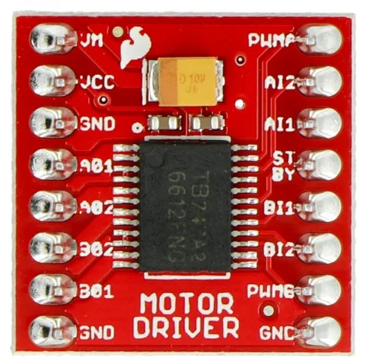

+5v | VM | 1 | PWMA | GPIO14
3V3 | VCC |  | AI2 | GPIO17 (RXD)
GND | GND |  | AI1 | GPIO16 (TXD)
Slider 1 + | A01 |  | STBY | EXIO7
Slider 1 - | A02 |  | BI1 | GPIO4
Slider 2 - | B02 |  | BI2 | GPIO7
Slider 2 + | B01 |  | PWMB | GPIO15
GND | GND |  | GND | GND

+5v | VM | 2 | PWMA | GPIO08
3V3 | VCC |  | AI2 | GPIO23
GND | GND |  | AI1 | GPIO22
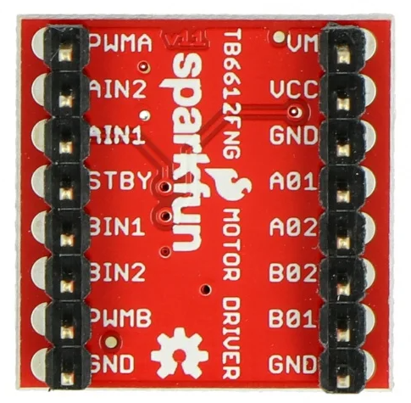
Slider 3 + | A01 |  | STBY | EXIO07
Slider 3 - | A02 |  | BI1 | EXIO02
Slider 4 - | B02 |  | BI2 | EXIO03
Slider 4 + | B01 |  | PWMB | GPIO09
GND | GND |  | GND | GND

+5v | VM | 3 | PWMA | EXIO06
3V3 | VCC |  | AI2 | EXIO04
GND | GND |  | AI1 | EXIO05
Slider 5 + | A01 |  | STBY | EXIO07
Slider 5 - | A02 |  | BI1 | x
x | B02 |  | BI2 | x
x | B01 |  | PWMB | x
GND | GND |  | GND | GND

pca9548a
3.3V | VIN | SC7 | X
GND | GND | SD7 | X
GND | SDA | SC6 | X
GND | SCL | SD6 | X
3.3V | RST | SC5 | X
GND | A0 | SD5 | X
GND | A1 | SC4 | OLED5
GND | A2 | SD4 | OLED5
OLED1 | SD0 | SC3 | OLED4
OLED1 | SC0 | SD3 | OLED4
OLED2 | SD1 | SC2 | OLED3
OLED2 | SC1 | SD2 | OLED3
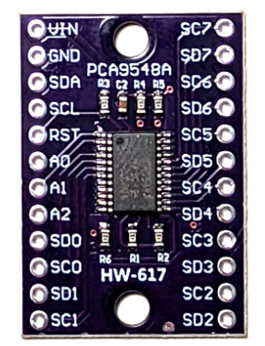

 |  |  |  | RESET---> | 10K --> 3v
 |  |  |  |  | 0.1µF --> GND

 |  |  |  | Reset pin is high-active, meaning it should be high while the chip is active, pulling it to low puts it into reset

 |  |  |  | RC is optional, they are for industry-grade ESD protection. R and C values are "sweet spots" but can be adjusted for current control, etc.

WAVESHARE ESP32 C6 PINOUT
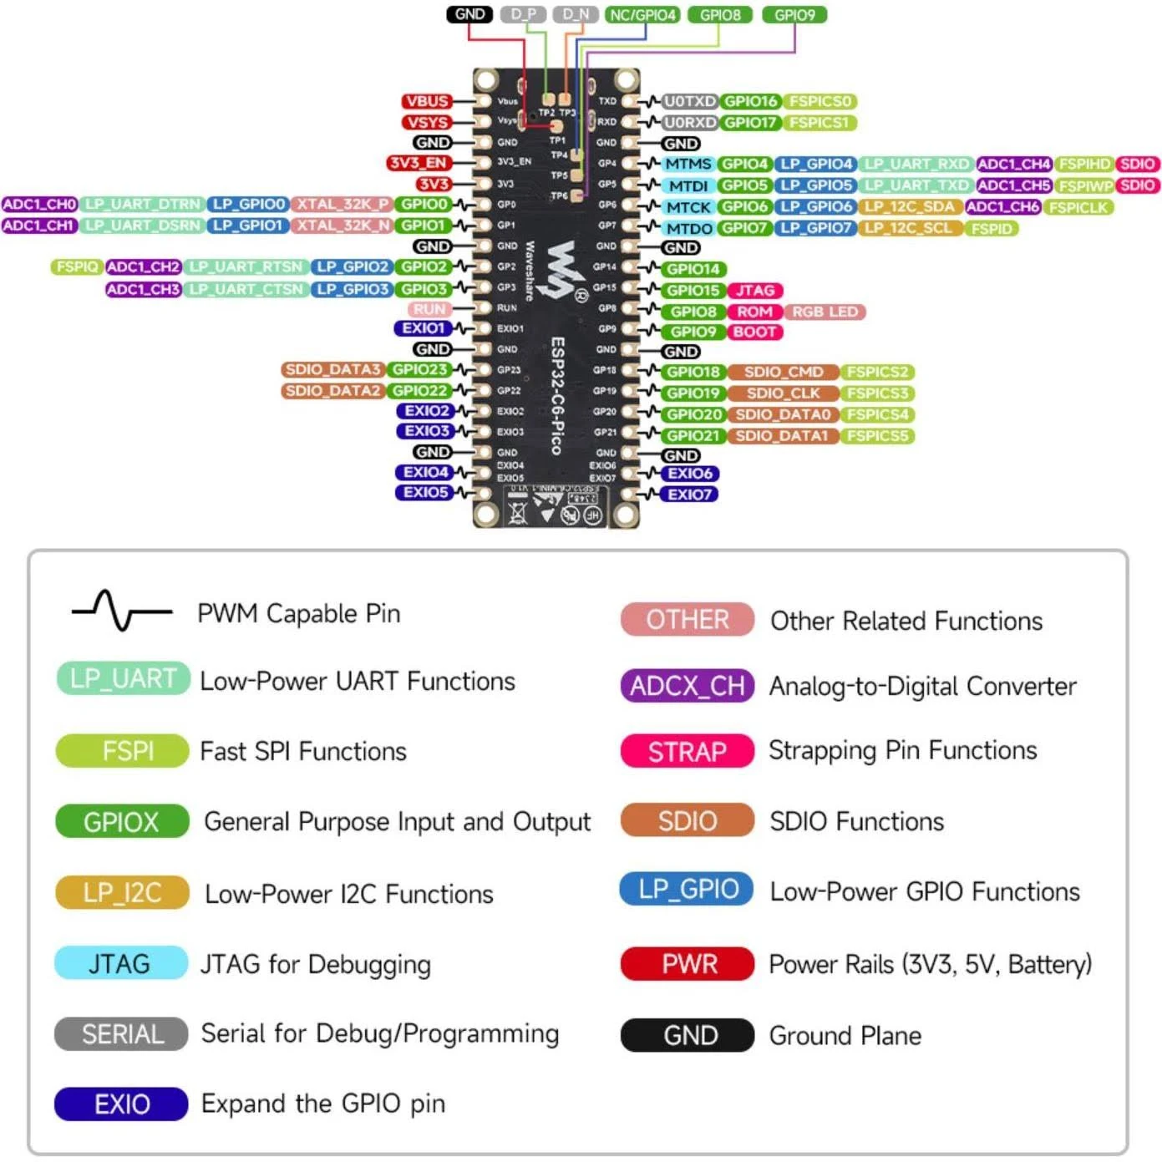
WAVESHARE ESP32 CD PICO
PIN | PWM | BUILT-IN | ADC | UART | STRAPPING
Vbus
Vsys
GND
3V3_EN
3V3
GPIO0 | PWM |  | ADC1_CH0 |  |  | slider pot 1
GPIO1 | PWM |  | ADC1_CH1 |  |  | slider pot 2
GND
GPIO2 | PWM |  | ADC1_CH2 |  |  | slider pot 3
GPIO3 | PWM |  | ADC1_CH3 |  |  | slider pot 4
RUN
EXIO1 | PWM
GND
GPIO23 | PWM
GPIO22 | PWM
EXIO2 | PWM
EXIO3 | PWM
GND
EXIO4 | PWM
EXIO5 | PWM
GPIO16 (TXD) | PWM |  |  | U0TXD
GPIO17 (RXD) | PWM |  |  | U0RXD
GND
GPIO4 | PWM |  | ADC1_CH4 |  | SDIO
GPIO5 | PWM |  | ADC1_CH5 |  | SDIO | button ladder
GPIO6 | PWM |  | ADC1_CH6 |  |  | slider pot 5
GPIO7 | PWM
GND
GPIO14 | PWM
GPIO15 | PWM |  |  |  | JTAG
GPIO8 | PWM | RGB LED |  |  | ROM
GPIO9 | PWM |  |  |  | BOOT
GND
GPIO18 | PWM
GPIO19 | PWM
GPIO20 | PWM
GPIO21 | PWM
GND
EXIO6 | PWM
EXIO7 | PWM

